Sheet1
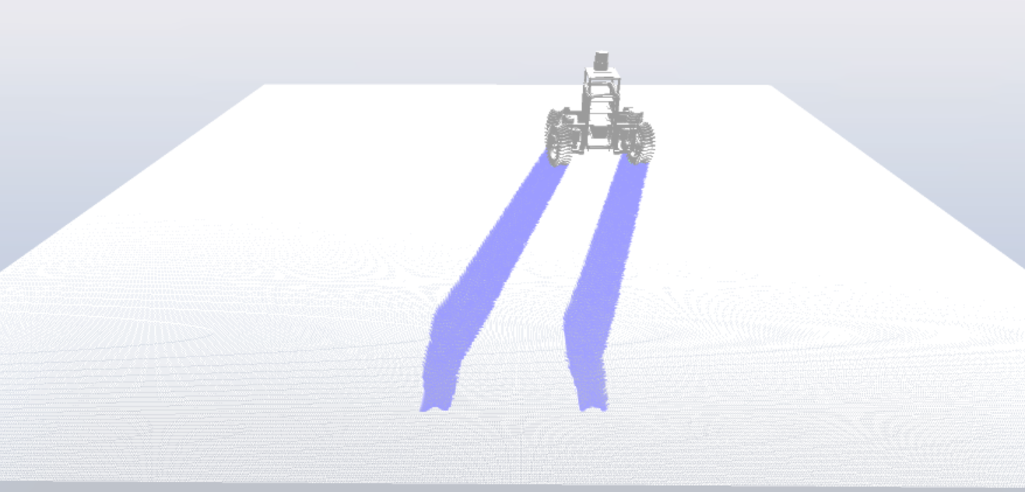
data file name | Note | Sim Note
output_02_2_test_clay.csv | Fine terrain mesh test. Straight line, clay params. Mesh size = 0.0025m (2.5mm). Usually 0.01m (10mm). RTF around 1200. Will compare to 0.01 mesh size | RTF around 1200. No visualizer was used
output_04_sand_steer_curve.csv | Mesh of 0.01. RTF about 120. Added steering motor torque output. Will use to calculate servo motor torque/motor spec required | RTF ~120. Do to the velocity of the wheels and steering angle, vehicle performed more of a skid

